picture
Description | picture
1-Line Handrailing on Guardrail - 1 1/4" SCH 40 pipe
1-Line Handrailing on Guardrail - 1 1/2" SCH 40 pipe
1-Line Hand Railing wall bolted - 1 1/4" SCH 40 pipe | 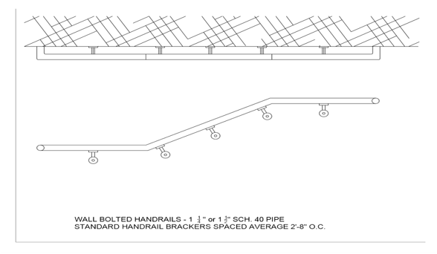
1-Line Hand Railing wall bolted - 1 1/2" SCH 40 pipe | 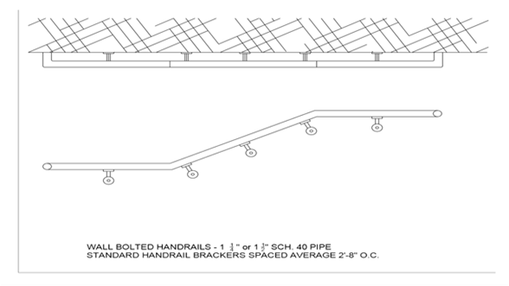
1-Line Steel Floor Mounted Handrail 1 1/4" SCH. 40 pipe
1-Line Steel Floor Mounted Handrail 1 1/2" SCH. 40 pipe | 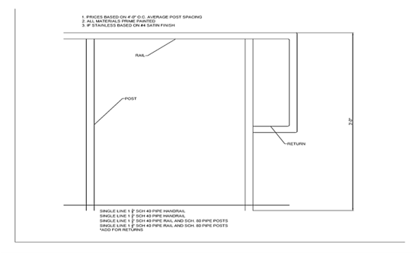
1-Line Steel Floor Mounted Handrail 1 1/2" SCH. 40 Rail and 1 1/2" SCH. 80 Post | 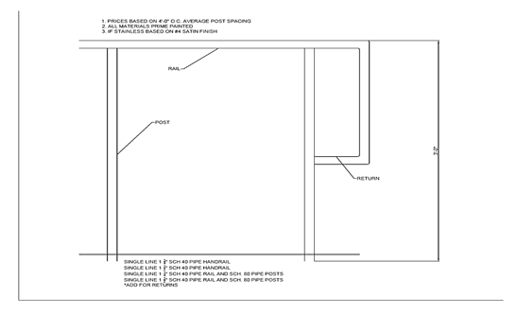
1-Line Steel Floor Mounted Handrail 1 1/4" SCH. 40 Rail and 1 1/4" SCH. 80 Post
2-Line Steel Pipe Guardrail 1 1/4" Sch. 40 Pipe Rails and Post
2-Line Steel Pipe Guardrail 1 1/2" Sch. 40 Pipe Rails and Post
2-Line Steel Pipe Guardrail 1 1/4" Sch. 40 Pipe Rails and SCH. 80 Post |  | 0
2-Line Steel Pipe Guardrail 1 1/2" Sch. 40 Pipe Rails and SCH. 80 Post
3-Line Steel Pipe Guardrail 1 1/4" SCH. 40 Pipe Rails and Posts
3-Line Steel Pipe Guardrail 1 1/2" SCH. 40 Pipe Rails and Posts
3-Line Steel Pipe Guardrail 1 1/4" SCH. 40 Pipe Rails and SCH 80 Posts
3-Line Steel Pipe Guardrail 1 1/2" SCH. 40 Pipe Rails and SCH. 80 Posts
8-Line Steel Pipe Guardrail 1 1/4" SCH. 40 Pipe Rails and Posts
8-Line Steel Pipe Guardrail 1 1/2" SCH. 40 Pipe Rails and Posts
2-Line Picket Guardrail w/1/2" pickets - 1 1/4" Pipe Rails and Post
2-Line Picket Guardrail w/1/2" pickets - 1 1/2" Pipe Rails and Post
2-Line Picket Guardrail w/1/2" pickets - 1 1/4" Pipe Rails and SCH 80 Post
2-Line Picket Guardrail w/1/2" pickets - 1 1/2" Pipe Rails and SCH 80 Post
2-Line Picket Guardrail w/3/4" pickets - 1 1/4" Pipe Rails and Post
2-Line Picket Guardrail w/3/4" pickets - 1 1/2" Pipe Rails and Post
2-Line Picket Guardrail w/3/4" pickets - 1 1/4" Pipe Rails and SCH 80 Post
2-Line Picket Guardrail w/3/4" pickets - 1 1/2" Pipe Rails and SCH 80 Post
Optional Kick Plate 4'x4'
3-Line Picket Guardrail w/1/2" pickets - 1 1/4" SCH 40 Rails and Post
3-Line Picket Guardrail w/1/2" pickets - 1 1/2" SCH 40 Rails and Post
3-Line Picket Guardrail w/1/2" pickets - 1 1/4" SCH 40 Rails and SCH 80 Post
3-Line Picket Guardrail w/1/2" pickets - 1 1/2" SCH 40 Rails and SCH 80 Post
3-Line Picket Guardrail w/3/4" pickets - 1 1/4" SCH 40 Rails and Post
3-Line Picket Guardrail w/3/4" pickets - 1 1/2" SCH 40 Rails and Post
3-Line Picket Guardrail w/3/4" pickets - 1 1/4" SCH 40 Rails and SCH. 80 Post
3-Line Picket Guardrail w/3/4" pickets - 1 1/2" SCH 40 Rails and SCH. 80 Post
2-LINE STEEL PIPE GUARDRAIL W/ MESH PANEL INFILLS- 1 1/4 SCH 40 RAILS AND POST
2-LINE STEEL PIPE GUARDRAIL W/ MESH PANEL INFILLS- 1 1/2 SCH 40 RAILS AND POST
2-LINE STEEL PIPE GUARDRAIL W/ MESH PANEL INFILLS- 1 1/4 SCH 40 RAILS AND SCH 80 POST
2-LINE STEEL PIPE GUARDRAIL W/ MESH PANEL INFILLS- 1 1/2" SCH 40 RAILS AND SCH 80 POST

